Fig. S1. Dendogram
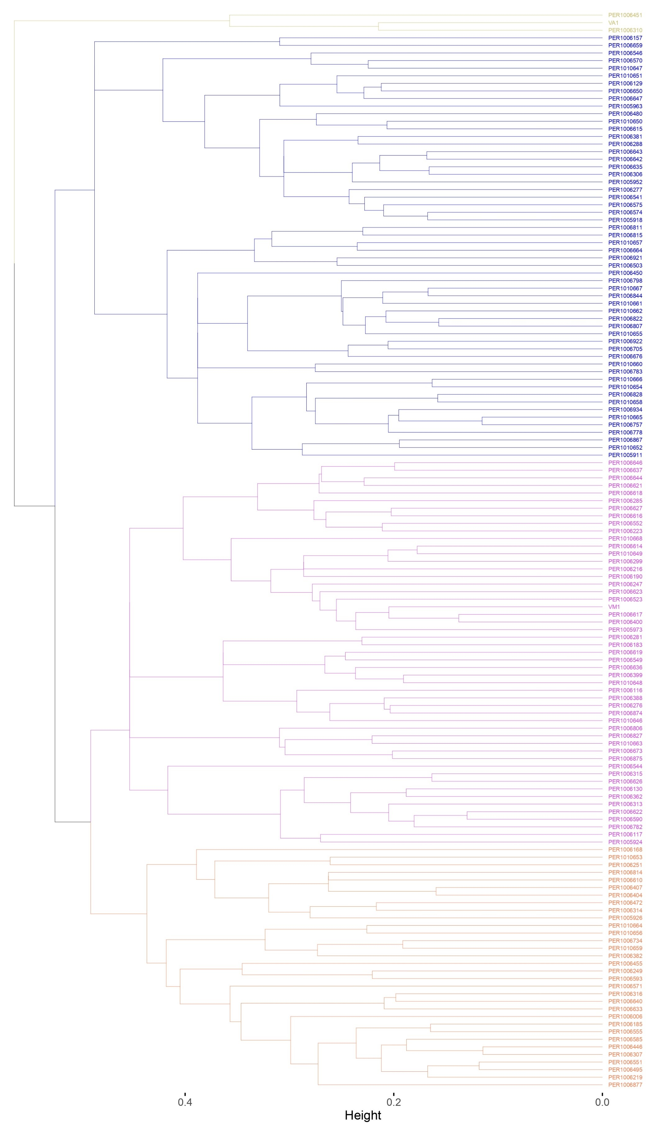
Figure S1. Dendogram for groups

